DashBoard
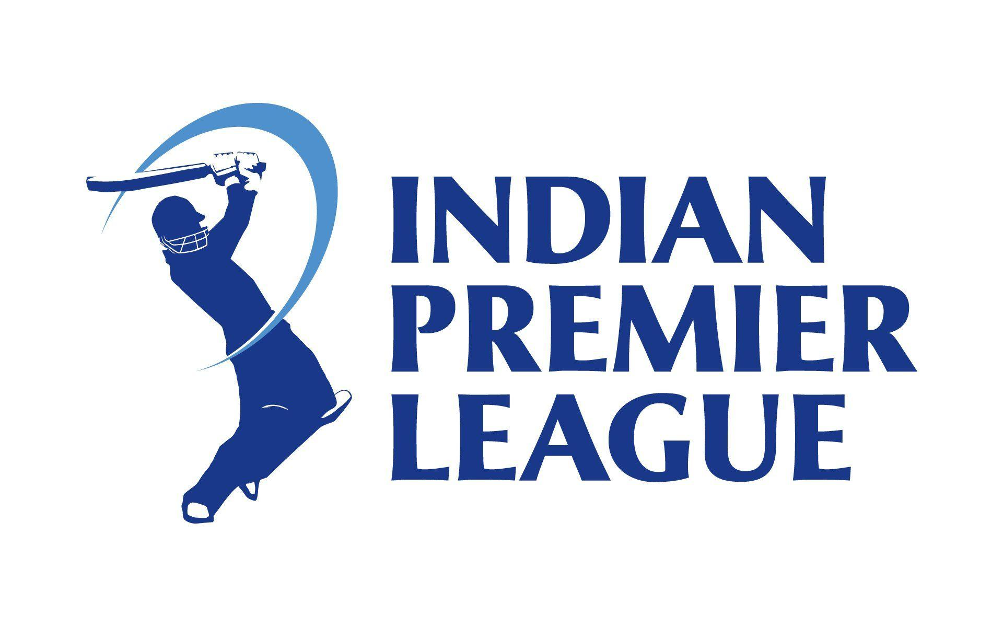
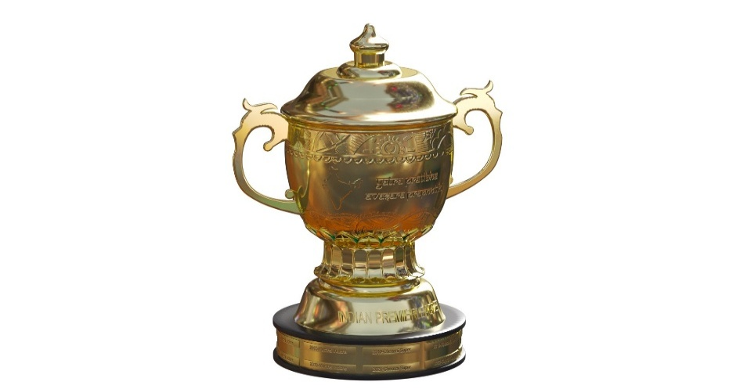
Match Per Season
 | Total
IPL-2008 | 58
IPL-2009 | 57
IPL-2010 | 60
IPL-2011 | 73
IPL-2012 | 74
IPL-2013 | 76
IPL-2014 | 60
IPL-2015 | 59
IPL-2016 | 60
IPL-2017 | 59
IPL-2018 | 60
IPL-2019 | 60
IPL-2020 | 60
IPL-2021 | 60
IPL-2022 | 74
IPL-2023 | 74
IPL-2024 | 71
Win Impact
 | Total
Batting Wins | 498
Chasing Wins | 597

WINNER
Runner_up
Player of Match

Kolkata Knight Riders
Punjab Kings
MK Pandey

Matches Wins Team
 | Total
Mumbai Indians | 144
Chennai Super Kings | 138
Kolkata Knight Riders | 131
Royal Challengers Bangalore | 123
Delhi Capitals | 115
Rajasthan Royals | 112
Punjab Kings | 112
Sunrisers Hyderabad | 88
Gujarat Titans | 28
Lucknow Super Giants | 24
Top 10 Player of Match
 | Total
AB de Villiers | 25
CH Gayle | 22
RG Sharma | 19
V Kohli | 18
DA Warner | 18
MS Dhoni | 17
YK Pathan | 16
SR Watson | 16
RA Jadeja | 16
AD Russell | 15
SP Narine | 15

